Motor Parameters
 | EBC460/EBC470 Fluid Delivery Product Portfolio Motor Parameters for Simulations: Voltage = 12.0 Volts
 | Motor | Supplier | Regional Usage | Parameter Source (Update Part Numbers) | Motor Temperature degC | Eccentric mm | No Load RPM | No Load Current A | WP1 Torque Nm | WP1 Speed RPM | WP1 Current A | WP2 Torque Nm | WP2 Speed RPM | WP2 Current A | Stall Torque N·m | Stall Current A | J Kg·m² | Motor Friction Nm / RPM | Motor Run Time hours | Notes:
 | 130 Watt | Kokusan | Global | -2 sigma | 23 | 0.65 | N/A | N/A | N/A | N/A | N/A | N/A | N/A | N/A | N/A | N/A
 |  |  |  | Nominal S18235903-A |  |  | 6800 | 2.5 | 0.32 | 4200 | 22 | N/A | N/A | N/A | 0.85 | 54.0 | 4.10E-05 | 0.02 / 1000 |  | Owner Helmut Gegalski
 |  |  |  | -2 sigma | 85 | 0.65
 |  |  |  | Nominal S18235903-A
 | 330 Watt | Kokusan | Only China? | S18252306 | 23 | 1 | 7920 | 6.3 | 0.42 | 5994 | 35.6 | 0.62 | 5195 | 50 | 2.09 | 170.0 | 7.44E-05
 | 330 Watt | Brose | Europe and China | -2 sigma | 23 | 1 |  |  | 0.42 |  |  | 0.62
 |  |  |  | Nominal S18235901-A |  |  | 7800 | 5.0 | 0.42 |  |  | 0.62 | 4200 | 46 | 1.65 | 130.0 | 6.27E-05 |  |  | Owner Helmut Gegalski
 |  |  |  | -2 sigma | 85 | 1 |  |  | 0.42 |  |  | 0.62
 |  |  |  | Nominal S18235901-A |  |  |  |  | 0.42 |  |  | 0.62
 |  | LG | US (only use for GM, others may go to below motor soon) | -2 sigma | 23 | 1 | 7248 | 5.4 | 0.42 | 5625 | 32 | 0.62 | 4775 | 44 | 1.80 | 134.0 |  |  | 250
 |  |  |  | Nominal 18216504 |  |  | 7530 | 6.0 | 0.42 | 5875 | 34 | 0.62 | 5019 | 46 | 2.00 | 141.0 | 5.50E-05
 |  |  |  | -2 sigma | 85 | 1 |  |  | 0.42 |  |  | 0.62
 |  |  |  | Nominal 18216504 |  |  |  |  | 0.42 |  |  | 0.62
 |  |  | Europe and China | -2 sigma | 23 | 1 | 7632 | 4.0 | 0.42 | 5689 | 28 | 0.62 | 4865 | 41 | 1.76 | 131.0 |  |  | 731
 |  |  |  | Nominal 18931205-A |  |  | 7800 | 5.0 | 0.42 | 5800 | 28 | 0.62 | 5000 | 42 | 1.85 | 135.0 | 5.50E-05
 |  |  |  | -2 sigma | 85 | 1 | 7785 | 8.4 | 0.42 | 5944 | 29 | 0.62 | 4781 | 43 | 1.50 | 207.0
 |  |  |  | Nominal 18931205-A |  |  | 7956 | 10.0 | 0.42 | 5830 | 28.2 | 0.62 | 4915 | 44 | 1.60 | 213.0
 | 580 Watt 18946501 | LG | US | -2 sigma | 23 | 0.8 | 6631 | 6.0 | 1 | 4294 | 53 | 1.8 | 2834 | 99
X |  |  |  | Print Minimum | 23 | 0.8 | 6794 | 8.0 | 1 | 4383 | 56 | 1.8 | 3125 | 100 | 2.90 |  | Not Specified |  |  | Not planned for the future, use the 580EV
 |  |  |  | LG A8-Level |  | 0.8 | 6400 | 6.0 | 1 |  |  | 1.8 |  |  | 3.50 |  | 9.10E-05
 | 580EV Watt v6.10 32EV | LG | Global | -2 sigma | 23 | 0.8 | 5790 | 7.0 | 1.5 | 3482 | 65 | 2.75 | 1929 | 131 | 4.28 | 221.0
 |  |  |  | LG C2-Level A001F678 |  |  | 5900 | 6.0 | 1.5 | 3580 | 67 | 2.75 | 2000 | 133 | 4.37 | 229.0 | 1.12E-04 |  |  | Use with 6pp 0.8ecc
 |  |  |  | -2 sigma | 85 | 0.8 | 6136 | 7.0 | 1.5 | 3172 | 73 | 2.75 | 892 | 146 | 3.02 | 183.0
 |  |  |  | LG C2-Level A001F678 |  |  | 6253 | 8.0 | 1.5 | 3227 | 75 | 2.75 | 923 | 148 | 3.08 | 190.0
 | 580 Watt ?? | LG | Global | -2 sigma | 23
 |  |  |  | Nominal |  |  |  |  |  |  |  |  |  |  |  |  |  |  |  | Use with 2pp, 1.0 ecc, pumps?
 |  |  |  | -2 sigma | 85
 |  |  |  | Nominal
 | 700 Watt 39EV | LG | Global | -2 sigma | 23 | 0.9 | 5752 | 9 | 1.5 | 3833 | 66 | 2.75 | 2530 | 122 | 5.09 | 241.0
 |  |  |  | Nominal |  |  | 5870 | 11.0 | 1.5 | 3900 | 67 | 2.75 | 2600 | 124 | 5.20 | 250.0 | 1.29E-04 |  |  | Use with 6pp, 0.9 ecc
 |  |  |  | -2 sigma | 85 | 0.9 | 6105 | 11.0 | 1.5 | 3455 | 73 | 2.75 | 1160 | 136 | 3.60 | 200.0
 |  |  |  | Nominal |  |  | 6221 | 13.0 | 1.5 | 3516 | 75 | 2.75 | 1200 | 138 | 3.70 | 208.0
 | XYZ Watt v7.3 32HD | LG | Global | -2 sigma | 23 | 1.2 | 6894 | 7.0 | 1.2 | 4277 | 67 | 1.65 | 3422 | 92 | 3.54 | 199.0
 |  |  |  | Nominal 18931217 |  |  | 7025 | 8.0 | 1.2 | 4352 | 68 | 1.65 | 3540 | 93 | 3.61 | 207.0 | 1.01E-04 |  |  | Used for HD with 1.2 ecc / 2pp
 |  |  |  | -2 sigma | 85 | 1.2 | 7306 | 8.0 | 1.2 | 3856 | 74 | 1.65 | 1580 | 102 | 2.49 | 166.0
 |  |  |  | Nominal |  |  | 7445 | 10.0 | 1.2 | 3923 | 76 | 1.65 | 1634 | 103 | 2.55 | 172.0
 | 250 Watt/ 10mm EBC470 | LG | Global | -2 sigma (C1 Level) | 23 | 1 | 5428 | 4.2 | 0.7 | 3050 | 36.1 | 1 | 2351 | 51.4 | 1.82 | 111.5
 |  |  |  | Nominal (C1 Level) |  |  | 5535 | 4.6 | 0.7 | 3166 | 37.01 | 1 | 2495 | 52.9 | 1.90 | 116.0 | 8.77E-05 |  |  | Use with 1.0 ecc, 8 mm pumps
 |  |  |  | -2 sigma (B1 Level) | 85 |  | 5831 | 4.3 | 0.7 | 2484 | 39.2 | 1 | 1555 | 56.9 | 1.49 | 95.0
 |  |  |  | Nominal (B1 Level) |  |  | 5906 | 4.81 | 0.7 | 2661 | 40.28 | 1 | 1765 | 58.54 | 1.55 | 100.0 | 8.77E-05
 | 420 Watt/ 10mm EBC470 | LG | Global | -2 sigma | 23 |  | TBD | TBD | 0.7 | TBD | TBD | 1 | TBD | TBD | TBD | TBD |  |  |  | See spec table below from Roman Hodik, only A-sample data available
 |  |  |  | Nominal |  |  | 8000 | 6.0 | 0.7 | 4700 | 50 | 1 | 4000 | 75 | 1.90 | 160.0 | 9.64E-05 |  |  | Use with 1.0 ecc, 8 mm pumps
 |  |  |  | -2 sigma | 85 |  | TBD | TBD | TBD | TBD | TBD | TBD | TBD | TBD | TBD | TBD
 |  |  |  | Nominal |  |  | TBD | TBD | TBD | TBD | TBD | TBD | TBD | TBD | TBD | TBD
 | 420 Watt/ 10mm EBC470 | LG | Global | -2 sigma | 23 |  | TBD | TBD | 0.7 | TBD | TBD | 1 | TBD | TBD | TBD | TBD |  |  |  | Measured on 2 smples
 |  |  |  | Nominal (B0 Level) |  |  | 8280 | 7.5 | 0.7 | 4981 | 51.6 | 1 | 4080 | 75.9 | 2.09 | 209.0 | 9.19E-05 |  |  | Use with 1.0 ecc, 8 mm pumps | Updated 18-Jun Roman Hodik
 |  |  |  | -2 sigma | 85 |  | TBD | TBD | TBD | TBD | TBD | TBD | TBD | TBD | TBD | TBD
 |  |  |  | Nominal |  |  | TBD | TBD | TBD | TBD | TBD | TBD | TBD | TBD | TBD | TBD
 | 760W / 32mm Case 2 average | LG | Global | -2 sigma | 23 |  | TBD | TBD | TBD | TBD | TBD | TBD | TBD | TBD | TBD | TBD |  |  |  | Measured on 2 smples
 |  |  |  | Nominal |  |  | 6370 | 10.5 | 1 | 4450 | 54.6 | 2.3 | 2850 | 119.8 | 5.40 | 280.0 |  |  |  | Use with 1.6 ecc, 9 mm pumps
 |  |  |  | -2 sigma | 85 |  | TBD | TBD | TBD | TBD | TBD | TBD | TBD | TBD | TBD | TBD
 |  |  |  | Nominal |  |  | TBD | TBD | TBD | TBD | TBD | TBD | TBD | TBD | TBD | TBD
N/A yet. LG woking on a proposal.
 | 760W / 31mm Case 4 average | LG | Global | -2 sigma | 23 |  | TBD | TBD | TBD | TBD | TBD | TBD | TBD | TBD | TBD | TBD |  |  |  | Measured on 2 smples
 |  |  |  | Nominal |  |  | 6290 | 10.0 | 1 | 4427 | 51.5 | 2.3 | 2810 | 111.8 | 5.30 | 272.0 |  |  |  | Use with 1.6 ecc, 9 mm pumps
 |  |  |  | -2 sigma | 85 |  | TBD | TBD | TBD | TBD | TBD | TBD | TBD | TBD | TBD | TBD
 |  |  |  | Nominal |  |  | TBD | TBD | TBD | TBD | TBD | TBD | TBD | TBD | TBD | TBD
 | 760W / 28mm Case 5 average | LG | Global | -2 sigma | 23 |  | TBD | TBD | TBD | TBD | TBD | TBD | TBD | TBD | TBD | TBD |  |  |  | Simulated Motor performance
 |  |  |  | Nominal |  |  | 6930 | 8.0 | 1 | 4475 | 59 | 2.3 | 3076 | 133 | 4.65 | 266.0 |  |  |  | Use with 1.6 ecc, 9 mm pumps
 |  |  |  | -2 sigma | 85 |  | TBD | TBD | TBD | TBD | TBD | TBD | TBD | TBD | TBD | TBD
 |  |  |  | Nominal |  |  | TBD | TBD | TBD | TBD | TBD | TBD | TBD | TBD | TBD | TBD
 | 700 Watt 39EV average performance | LG | Global | -2 sigma | 23 | 0.9 | TBD | TBD | TBD | TBD | TBD | TBD | TBD | TBD | TBD | TBD
 |  |  |  | Nominal |  |  | 5890 | 9.7 | 1.5 | 3670 | 75.4 | 2.75 | 2260 | 134.7 | 4.75 | 236.8 | 1.29E-04 |  |  | Use with 1.6 ecc, 9 mm pumps
 |  |  |  | -2 sigma | 85 | 0.9 | TBD | TBD | TBD | TBD | TBD | TBD | TBD | TBD | TBD | TBD
 |  |  |  | Nominal |  |  | TBD | TBD | TBD | TBD | TBD | TBD | TBD | TBD | TBD | TBD
 | WP = Working Point

 | Last Updated on: | 2018-06-20 |  | Open Questions
 |  |  | 1 | Motor parameters chart states one eccentric, are these values good to use on all eccentrics. E.g. V6.10, can we use this on 6pp 0.8ecc and a 2pp 1.0ecc? |  |  |  |  |  |  |  |  |  |  | ??, need to add 580W with 1.0ecc, check against high pressures if ok can be used
 | Key Stakeholders |  | 2 | Do we need to update the spec numbers to match new WindChill Format? |  |  |  |  |  |  |  |  |  |  | Roman to update part numbers, with part numbers spec numbers can be found
 | Helmut Gegalski |  | 3 | Where do the min parameters come from? |  |  |  |  |  |  |  |  |  |  | No longer needed
 | Roman Hodik |  | 4 | Can we see the prints in windchill? If yes, how? |  |  |  |  |  |  |  |  |  |  | Use part numbers / related objects / right click to view in CREO, specs are stored under part numbers
 | John Cassidy |  | 5 | Which 130 watt motor to use for the future? |  |  |  |  |  |  |  |  |  |  | Kokusan
 | Julie Cousino |  | 6 | When do we take off the regional specific motors and go to the Global Versions? |  |  |  |  |  |  |  |  |  |  | Unknown at this time, 130W global now, 330W??
 | Joe Zeoli |  | 7 | What about Brushless Motors? |  |  |  |  |  |  |  |  |  |  | Not yet
 | Thomas Zettelmeyer |  | 8 | What about IBC Motor? |  |  |  |  |  |  |  |  |  |  | Follow-up with John Cassidy
 | Joe Starr |  | 9 | Which 330 Watt should be used for ESC sizing analysis for China |  |  |  |  |  |  |  |  |  |  | Both can still be used

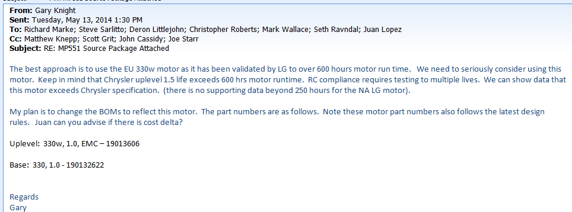
 |  |  |  |  |  |  |  |  |  |  |  |  |  |  | Specs from 6/26/2017

Attenuator
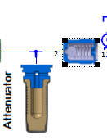
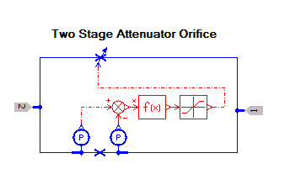
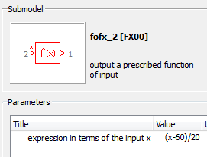
 |  | Attenuators
 | Paramenter | No Att | Fixed Orifice | SO | SO Mod 4 |  | SO HD
Orifice Upper | diameter at max opening [mm] | 0.475 | 0.475 | 0.475 | 0.65 | cc/s | 45
 | max flow coefficient | 0.5 | 0.5 | 0.5 | 0.5 | pressure drop | 50 bar
Orifice Lower | Flow Rate [cc/s] | 50 | 8 (0.35mm) 14 (0.5mm) 27 (0.7mm) | 4.5 | 3.6 |  | 3.6
Limiter
 | Pressure [bar] | 1 | 50 | 60 | 30 |  | 30
f(x) | Equation | (x-60)/20 | (x-60)/20 | (x-60)/20 | (x-45)/20 |  | (x-40)/10
PV | Filename | PV_EBC460_Atten_Tested.txt |  |  |  |  | PV_EBC460_Atten_Tested_100barCap.txt file
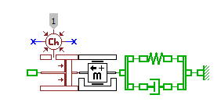
Att Piston Dia |  | 0.143 | 14.3 |  |  |  | 14.3
Limiter | Max | 0 | 0 | 1 | 1 |  | 1
 | Min | -1 | -1 | 0 | 0 |  | 0
Can be used with the following configurations |  | Any | Any | 8x8, 1.0 | 9x9, 1.0 |  | HD
 |  |  |  | 9x8, 1.0 | 8x8, 1.2
 |  |  |  |  | High Duty Cycles
 |  | * Note top orifice is shut off by limiter
 |  | **Data in italics is not used due to limiter parameters

Last Updated | 2014-12-15
 |  |  | Fixed ISO Orifice
Key Stakeholders |  |  | 0.35 | Small car or small drum brake
Julie Cousino |  |  | 0.50 | Passenger car / light truck
Joe Zeoli |  |  | 0.70 | Large truck / large brakes
Thomas Zettelmeyer
Gary Knight |  |  | Switchable Orifice (SO)
Mike Romanowski |  |  | See configuration recommendations in table above
Wolfgang Scwanke

